DEV MODEL
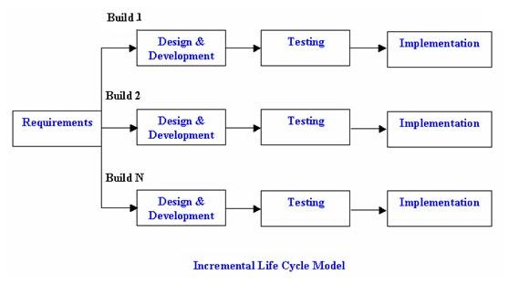
INCREMENTAL DEVELOPMENT MODEL

